Riverso
Planning aid Riverso

System für beidseitig ausziehbare Schublade
Système pour tiroir coulissant des deux côtés
System for drawer that can be opened from both sides

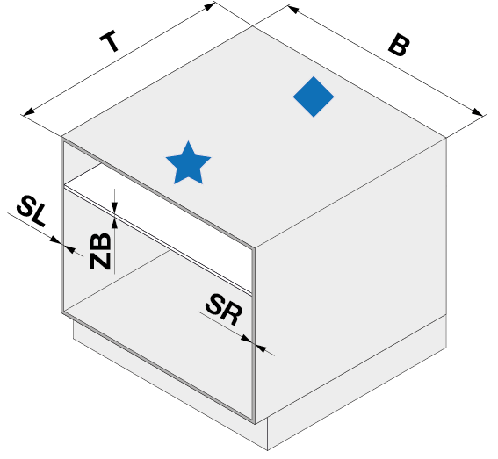
1.1
 |  |  | Millimeter
 |  | B
 |  | T
 |  | SL
 |  | SR
 |  | ZB
 |  | Option
 |  | Tipmatic

1.2
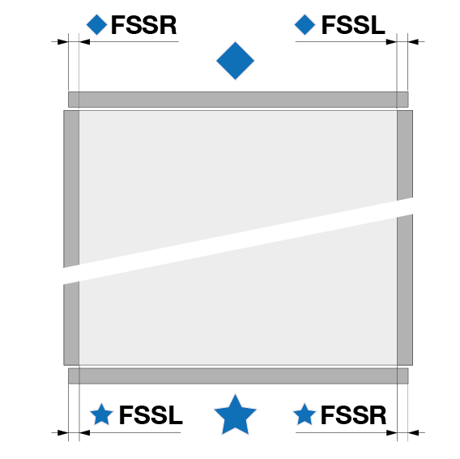
 |  | ♦ FSSL
 |  | ♦ FSSR

 |  | ★ FSSL
 |  | ★ FSSR

1.3
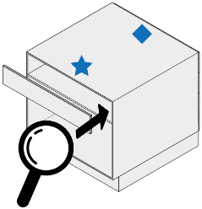
 |  | FO

 |  | FU

1.4
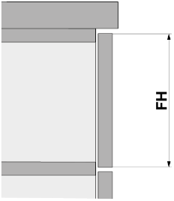

 |  |  |  |  | LHK

 |  | FH

1.5
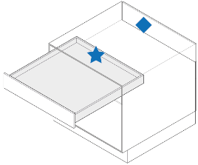
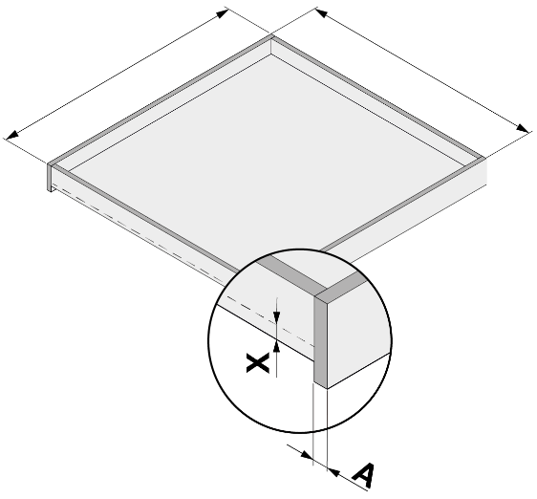

 |  |  |  |  | TS
 |  |  |  |  | BSA
 |  |  |  |  | BSI
 |  |  |  |  | HSS
 |  |  |  |  | HSF
 |  |  |  |  | HN

 |  | A
 |  | X

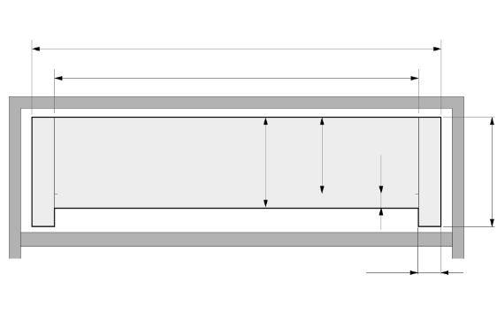

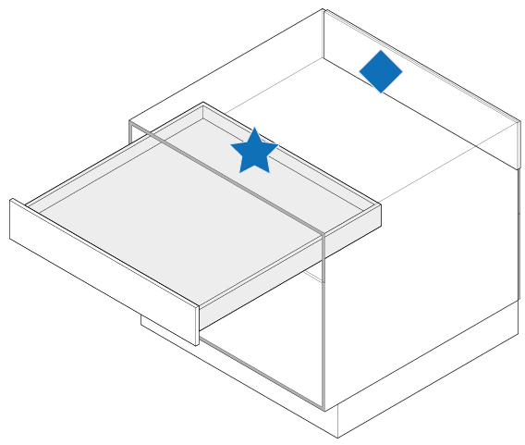

 |  |  |  |  | Tiefe Nutzverlust

2.1
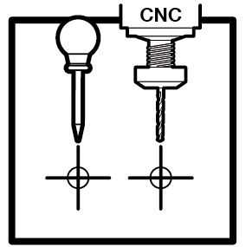

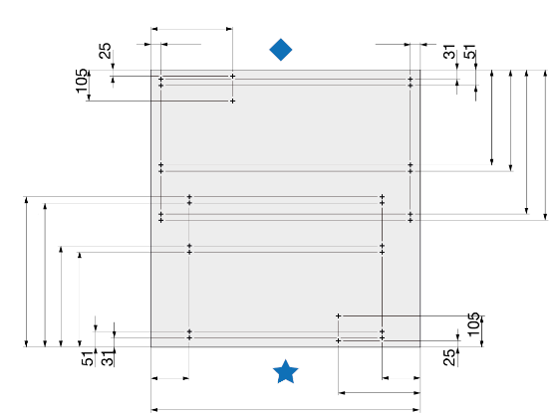
 |  |  |  |  | LWK
 |  |  |  |  | LTK
 |  |  |  |  | RA
 |  |  |  |  | RI
 |  |  | 4.0 x 16 | 6.0 x 16 | L3
 |  |  | 4.5 x 15 | - | L4
 |  |  |  |  | L5
 |  |  |  |  | L6
 |  |  |  |  | V

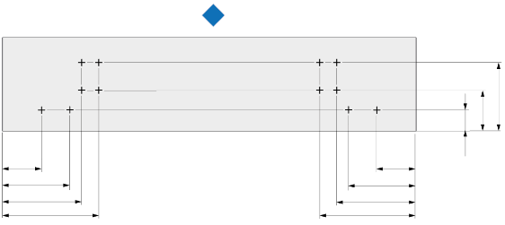
 |  |  |  |  | FRA-1L | FRA-VL
 |  |  |  |  | FRA-1R | FRA-VR
 |  |  | 4.0 x 16 | 6.0 x 16 | FRA-2L
 |  |  |  |  | FRA-2R
 |  |  |  |  | FRA-3L
 |  |  |  |  | FRA-3R
 |  |  |  |  | FRA4

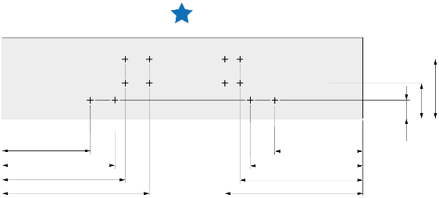
 |  |  |  |  | FRA5
 |  |  |  |  | FRA6
 |  |  |  |  | FRI-1R (L) | FRI-VR (L)
 |  |  |  |  | FRI-1L (R) | FRI-VL (R)
 |  |  | 4 x 16 | 6.0 x 16 | FRI-2R (L)
 |  |  |  |  | FRI-2L (R)
 |  |  |  |  | FRI-3R (L)
 |  |  |  |  | FRI-3L (R)

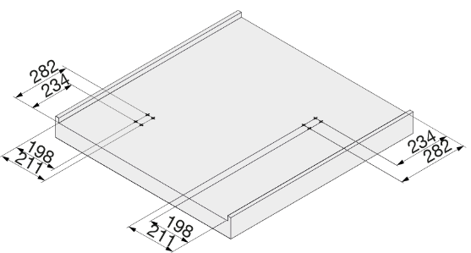

 |  |  | 4 x 25

2.2


 |  |  |  |  | LAP
 |  |  |  |  | =
 |  |  | 4 x 12

 | Option Tipmatic
 |  |  |  |  | LSYN

